Graphs
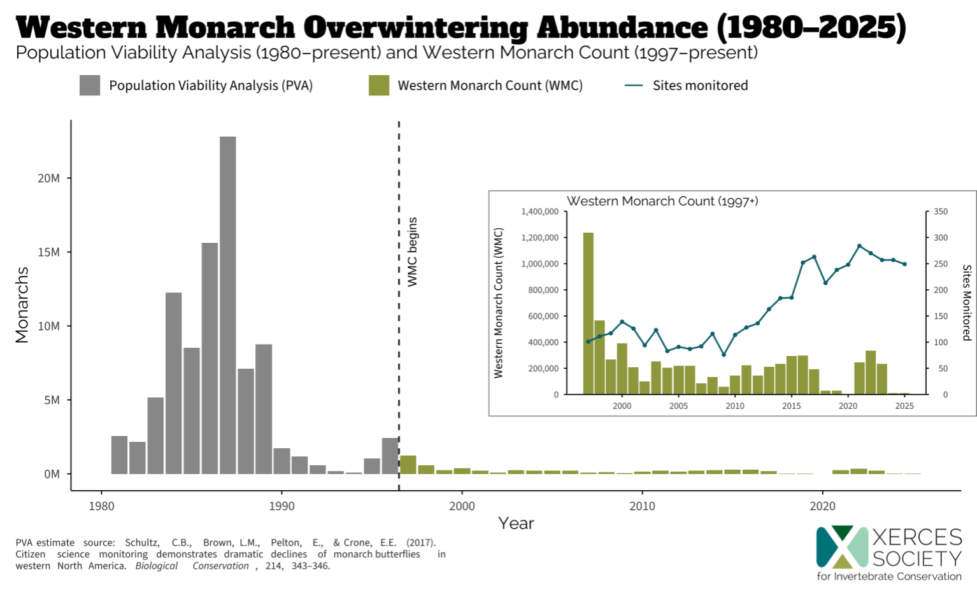
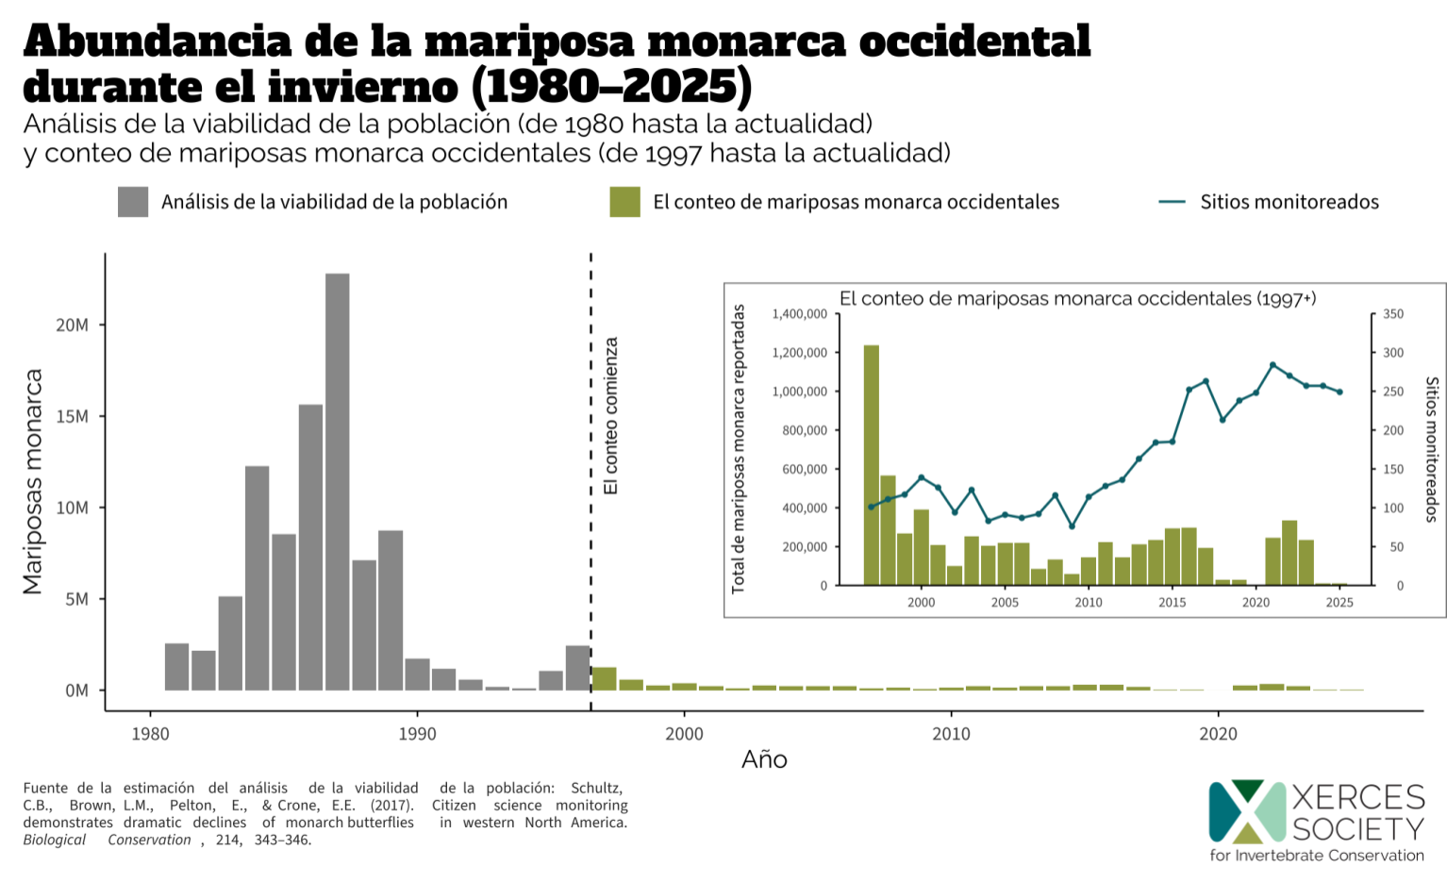
 | Early-Season Western Monarch Counts
Year | Total monarchs reported | Number of sites monitored
2024 | 7,601 | 202
2025 | 6,113 | 218

 | Mid-Season Western Monarch Counts
Year | Total monarchs reported | Number of sites monitored
1997 | 1,235,490 | 101
1998 | 564,349 | 111
1999 | 267,074 | 117
2000 | 390,057 | 139
2001 | 209,570 | 126
2002 | 99,353 | 94
2003 | 254,378 | 123
2004 | 205,085 | 83
2005 | 218,679 | 91
2006 | 221,058 | 87
2007 | 86,437 | 92
2008 | 131,889 | 116
2009 | 58,468 | 76
2010 | 143,204 | 114
2011 | 222,525 | 128
2012 | 144,812 | 136
2013 | 211,275 | 163
2014 | 234,726 | 184
2015 | 292,880 | 185
2016 | 298,464 | 252
2017 | 192,626 | 263
2018 | 27,721 | 213
2019 | 29,429 | 238
2020 | 1,901 | 248
2021 | 247,246 | 284
2022 | 335,479 | 270
2023 | 233,394 | 257
2024 | 9,119 | 257 | Figure 1. Total monarchs reported and number of overwintering sites monitored for the Western Monarch Count (1997 to 2025) in relation to the Population Viability Analysis for overwintering western monarchs (1980 to present).
2025 | 12,260 | 249

 | Late-Season Western Monarch Counts
Year | Total monarchs reported | Number of sites monitored
2016-2017 | 98,950 | 46
2017-2018 | 74,728 | 115
2018-2019 | 16,554 | 143
2019-2020 | 11,971 | 118
2020-2021 | 1,069 | 166
2021-2022 | 151,168 | 207
2022-2023 | 116,758 | 175
2023-2024 | 141,076 | 200
2024-2025 | 5407 | 223

